Arkusz1
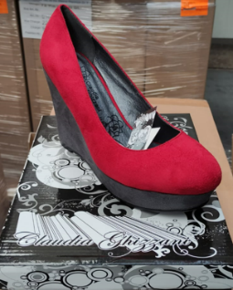
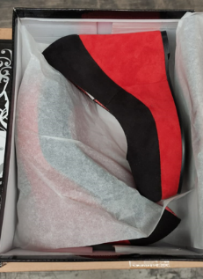
 |  |  | Prepacked
 |  |  | EU | 36 | 37 | 38 | 39 | 40 | 41 | Total
 |  |  |  | 1 | 2 | 3 | 3 | 2 | 1 | 12
PICTURE | CODE | Model | EU | 36 | 37 | 38 | 39 | 40 | 41 | Total | RRP/UVP
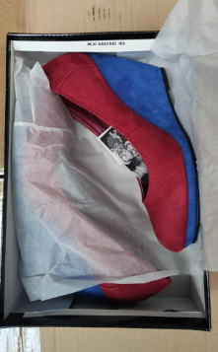
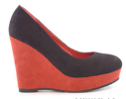 | 2.351901 2220 | Claudia Ghizzani Wms Wedge Heel Black/Rust |  | 124 | 249 | 372 | 372 | 248 | 124 | 1489 | € 40.00
 | 2.351901 7620 | Claudia Ghizzani Wms Wedge Heel Wine/Dark Grey |  | 105 | 210 | 315 | 315 | 210 | 105 | 1260 | € 40.00
 | 2.351901 8620 | Claudia Ghizzani Wms Wedge Heel Oker/Navy |  | 25 | 49 | 74 | 73 | 49 | 25 | 295 | € 40.00
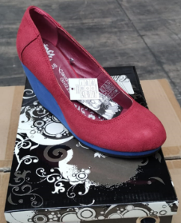
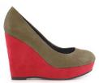 | 2.351901 9120 | Claudia Ghizzani Wms Wedge Heel Dark Green/Wine |  | 57 | 114 | 171 | 171 | 114 | 57 | 684 | € 40.00
 | 2.873008 6321 | Claudia Ghizzani Wms Wedge Heel Rust/Beige |  | 40 | 80 | 122 | 126 | 77 | 35 | 480 | € 40.00
 | 2.873008 6820 | Claudia Ghizzani Wms Wedge Heel Wine/Red Blue |  | 160 | 321 | 482 | 481 | 322 | 210 | 1976 | € 40.00
 |  |  |  |  |  |  |  |  |  | 6184

